second-run
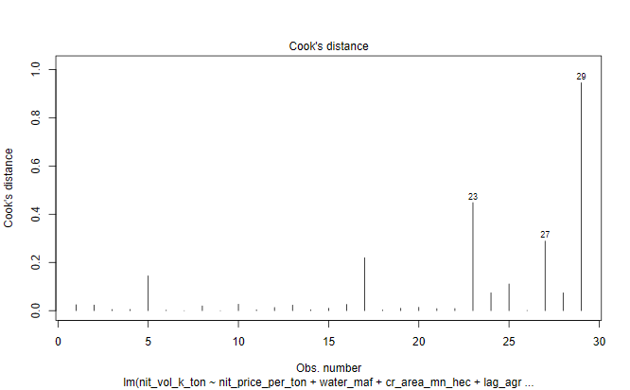
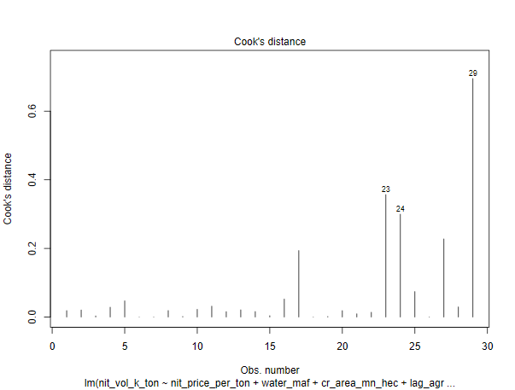
INDEPENDENT LINEAR REGRESSION VARIABLES - PARAMETERS |  |  |  |  |  |  | INDEPENDENT REGRESSION VARIABLES - PARAMETERS
6-VARIABLES |  |  |  |  |  |  | 8-VARIABLES
Table 2.1 |  |  |  |  |  |  |  |  |  |  |  |  |  |  |  |  | 2021-22 data points
 | N Price - X1 | Water - X2 | Cropped Acreage - X3 | Agric GDP - X4 | Agric Credit - X5 | Labour Prody - X6 |  | N Price - X1 | Water - X2 | Cropped Acreage - X3 | Agric GDP - X4 | Agric Credit - X5 | Labour Prody - X6 | Input to Output - X7 | N to P Price - X8 |  | N Price - X1 | Water - X2 | Cropped Acreage - X3 | Agric GDP - X4 | Agric Credit - X5 | Labour Prody - X6 | Input to Output - X7 | N to P Price - X8
 | PKR / MT | MAF | Mn Ha | Bn USD | Mn PKR | PKR / Ha |  | PKR / MT | MAF | Mn Ha | Bn USD | Mn PKR | PKR / Ha | Ratio | Ratio |  | PKR / MT | MAF | Mn Ha | Bn USD | Mn PKR | PKR / Ha | Ratio | Ratio
Linear Coeff | -0.014 | 16.25 | 103.37 | 75.40 | -0.000091 | 5.40 | Linear Coeff | -0.03 | 10.24 | 119.69 | 77.72 | 0.00006 | 10.04 | -1240.14 | -42.62 |  | 83,173.91 | 131.02 | 24.00 | 34.29 | 1,418,906 | 253.78 | 1.34 | 0.16
Impact on N volume - KT* | -11.26 | 21.29 | 24.81 | 25.85 | -1.29 | 13.69 | Impact on N volume - KT* | -22.77 | 13.42 | 28.73 | 26.65 | 0.83 | 25.48 | -16.62 | -0.07 | 1% change | 831.74 | 1.31 | 0.24 | 0.34 | 14189 | 2.54 | 0.01 | 0.002
Log Linear Elasticity Coeff | -0.22 | 0.13 | 0.41 | 0.28 | 0.03 | 0.19 | Log Linear Elasticity Coeff | -0.25 | -0.06 | 0.33 | 0.27 | 0.04 | 0.19 | -0.07 | -0.03
Standard Errors of Lin Coeff | 0.005 | 13.68 | 92.06 | 20.23 | 0.000357 | 2.71 | Standard Errors of Lin Coeff | 0.01 | 16.20 | 103.40 | 21.94 | 0.00045 | 5.65 | 1115.53 | 1183.38
T-stat | -2.76 | 1.19 | 1.12 | 3.73 | -0.26 | 1.99 | T-stat | -1.96 | 0.63 | 1.16 | 3.54 | 0.13 | 1.78 | -1.11 | -0.036
T-Prob | 0.01 | 0.25 | 0.27 | 0.001 | 0.80 | 0.06 | T-Prob | 0.06 | 0.53 | 0.26 | 0.002 | 0.90 | 0.1 | 0.28 | 0.97
Significant/Non Significant | Significant | Non Significant | Non Significant | Significant | Non Significant | Significant | Significant/Non Significant | Significant | Non Significant | Non Significant | Significant | Non Significant | Significant | Non Significant | Non Significant
Confidence Interval (%) | 99% |  |  | 99% |  | 90% | Confidence Interval (%) | 90% |  |  | 99% |  | 95%
F-Ratio | 135.93 | 8.24 | 15.60 | 29.43 | 3.68 | 3.96 | F-Ratio | 131.23 | 7.96 | 15.06 | 28.42 | 3.55 | 3.82 | 1.24 | 0.00
F-Prob | 0.00 | 0.01 | 0.00 | 0.00 | 0.07 | 0.06 | F-Prob | 0.00 | 0.01 | 0.00 | 0.00 | 0.07 | 0.06 | 0.28 | 0.97
Significant/Non Significant | Significant | Significant | Significant | Significant | Significant | Significant | Significant/Non Significant | Significant | Significant | Significant | Significant | Significant | Significant | Non Significant | Non Significant
Confidence Interval (%) | 99% | 99% | 99% | 99% | 90% | 90% | Confidence Interval (%) | 99% | 99% | 99% | 99% | 90% | 90%
VIF Ratio | 10.89 | 1.95 | 2.11 | 13.92 | 13.71 | 17.39 | VIF Ratio
Median | 25260.9 | 133.8 | 23.0 | 16.6 | 211561.0 | 45.8 | Median | 25260.87 | 133.78 | 23.01 | 16.65 | 211561.00 | 45.75 | 0.97 | 0.38
Standard Deviation (SD) | 28627.4 | 4.3 | 0.7 | 7.9 | 441331.5 | 65.5 | Standard Deviation (SD) | 28627.37 | 4.35 | 0.67 | 7.85 | 441331.53 | 65.45 | 0.16 | 0.08

Sample Size | 29 Years |  |  | Conclusion |  |  | Sample Size | 29 Years |  |  | Conclusion
R2 of Function | 0.90 |  |  | Model explains 90% of variance in nit consumption |  |  | R2 of Function | 0.91 |  |  | Model explains 91% of variance in nit consumption
F ratio of Function | F=32.81, p=0.0000000006813 |  |  | At least one of the indp variables has a statistically significant effect on the Nit consumption |  |  | F ratio of Function | F=23.91, p=0.00000001262 |  |  | At least one of the indp variables has a statistically significant effect on the Nit consumption
Residual Median | -5.61 |  |  | On average, the model is over-predicting the actual values |  |  | Residual Median | -6.27 |  |  | On average, the model is over-predicting the actual values
Residual Standard Dev | 199.69 |  |  |  |  |  | Residual Standard Dev | 193.78
DW Watson Test | Autocorrelation | Statistic | P-value |  |  |  | DW Watson Test | Autocorrelation | Statistic | P-value
 | -0.18 | 2.24 | 0.79 | Weak Negative AC |  |  |  | -0.23 | 2.32 | 0.87 | Weak Negative AC
White Test |  | 3.95 | 0.14 | Errors are homoscedastic |  |  | White Test |  | 3.79 | 0.15 | Errors are homoscedastic
Shapiro Test |  | 0.98 | 0.84 | Errors distributed normally |  |  | Shapiro Test |  | 0.99 | 0.96 | Errors distributed normally

INDEPENDENT REGRESSION LIN LOG VARIABLES - PARAMETERS |  |  |  |  |  |  | INDEPENDENT REGRESSION LIN LOG VARIABLES - PARAMETERS
6-VARIABLES |  |  |  |  |  |  | 8-VARIABLES

 | N Price - X1 | Water - X2 | Cropped Acreage - X3 | Agric GDP - X4 | Agric Credit - X5 | Labour Prody - X6 |  | N Price - X1 | Water - X2 | Cropped Acreage - X3 | Agric GDP - X4 | Agric Credit - X5 | Labour Prody - X6 | Input to Output - X7 | N to P Price - X8
 | PKR / MT | MAF | Mn Ha | Bn USD | Mn PKR | PKR / Ha |  | PKR / MT | MAF | Mn Ha | Bn USD | Mn PKR | PKR / Ha | Ratio | Ratio
Lin Log Elasticity Coeff | -618.80 | -858.10 | 586.20 | 732.30 | 114.20 | 496.70 | Lin Log Elasticity Coeff | -398.00 | -435.80 | -166.40 | 689.50 | 133.50 | 337.80 | 213.50 | -133.20
T-stat | -2.91 | -0.64 | 0.30 | 1.73 | 0.73 | 2.29 | T-stat | -1.05 | -0.22 | -0.07 | 1.54 | 0.69 | 1.19 | 0.41 | -0.52
T-Prob | 0.01 | 0.53 | 0.77 | 0.10 | 0.48 | 0.03 | T-Prob | 0.31 | 0.83 | 0.94 | 0.14 | 0.50 | 0.25 | 0.69 | 0.61
Significant/Non Significant | Significant | Non Significant | Non Significant | Significant | Non Significant | Significant | Significant/Non Significant | Non Significant | Non Significant | Non Significant | Non Significant | Non Significant | Non Significant | Non Significant | Non Significant
Confidence Interval (%) | 99% |  |  | 90% |  | 95% | Confidence Interval (%)
F-Ratio | 237.52 | 2.33 | 9.85 | 25.00 | 10.15 | 5.24 | F-Ratio | 224.92 | 2.21 | 9.33 | 23.67 | 9.61 | 4.96 | 0.56 | 0.27
F-Prob | 2.846E-13 | 0.14 | 0.0048 | 5.27E-05 | 0.0043 | 0.032 | F-Prob | 2.415E-12 | 0.15 | 0.01 | 9.38E-05 | 0.01 | 0.04 | 0.46 | 0.61
Significant/Non Significant | Significant | Non Significant | Significant | Significant | Significant | Significant | Significant/Non Significant | Significant | Non Significant | Significant | Significant | Significant | Significant | Non Significant | Non Significant
Confidence Interval (%) | 99% |  | 99% | 99% | 99% | 95% | Confidence Interval (%) | 99% |  | 99% | 99% | 99% | 95%

R2 of Function | 0.93 |  |  |  |  |  | R2 of Function

INDEPENDENT REGRESSION LOG LOG VARIABLES - PARAMETERS |  |  |  |  |  |  | INDEPENDENT REGRESSION LOG LOG VARIABLES - PARAMETERS
6-VARIABLES |  |  |  |  |  |  | 8-VARIABLES

 | N Price - X1 | Water - X2 | Cropped Acreage - X3 | Agric GDP - X4 | Agric Credit - X5 | Labour Prody - X6 |  | N Price - X1 | Water - X2 | Cropped Acreage - X3 | Agric GDP - X4 | Agric Credit - X5 | Labour Prody - X6 | Input to Output - X7 | N to P Price - X8
 | PKR / MT | MAF | Mn Ha | Bn USD | Mn PKR | PKR / Ha |  | PKR / MT | MAF | Mn Ha | Bn USD | Mn PKR | PKR / Ha | Ratio | Ratio
Log Linear Elasticity Coeff | -0.22 | 0.13 | 0.41 | 0.28 | 0.03 | 0.19 | Log Linear Elasticity Coeff | -0.25 | -0.06 | 0.33 | 0.27 | 0.04 | 0.19 | -0.07 | -0.03
T-stat | -2.93 | 0.27 | 0.58 | 1.86 | 0.52 | 2.47 | T-stat | -1.82 | -0.09 | 0.41 | 1.64 | 0.63 | 1.88 | -0.36 | -0.34
T-Prob | 0.01 | 0.79 | 0.57 | 0.08 | 0.61 | 0.02 | T-Prob | 0.08 | 0.93 | 0.68 | 0.12 | 0.53 | 0.07 | 0.72 | 0.74
Significant/Non Significant | Significant | Non Significant | Non Significant | Significant | Non Significant | Significant | Significant/Non Significant | Significant | Non Significant | Non Significant | Non Significant | Non Significant | Significant | Non Significant | Non Significant
Confidence Interval (%) | 99% |  |  | 90% |  | 95% | Confidence Interval (%) | 90% |  |  |  |  | 90%
F-Ratio | 270.23 | 7.87 | 11.51 | 26.26 | 9.39 | 6.09 | F-Ratio | 247.72 | 7.21 | 10.55 | 24.07 | 8.61 | 5.58 | 0.05 | 0.12
F-Prob | 7.67E-14 | 1.03E-02 | 2.62E-03 | 3.90E-05 | 5.68E-03 | 2.19E-02 | F-Prob | 0.00 | 0.01 | 0.0040 | 8.52E-05 | 0.01 | 0.03 | 0.82 | 0.74
Significant/Non Significant | Significant | Significant | Significant | Significant | Significant | Significant | Significant/Non Significant | Significant | Significant | Significant | Significant | Significant | Significant | Non Significant | Non Significant
Confidence Interval (%) | 99% | 99% | 99% | 99% | 99% | 99% | Confidence Interval (%) | 99% | 99% | 99% | 99% | 99% | 95%

R2 of Function | 0.94 |  |  |  |  |  | R2 of Function | 0.94

INDEPENDENT LINEAR REGRESSION MODEL DIAGONISTICS

Plot 2.1: Actual Vs Fitted Values |  |  |  |  |  |  | Plot 2.1: Actual Vs Fitted Values

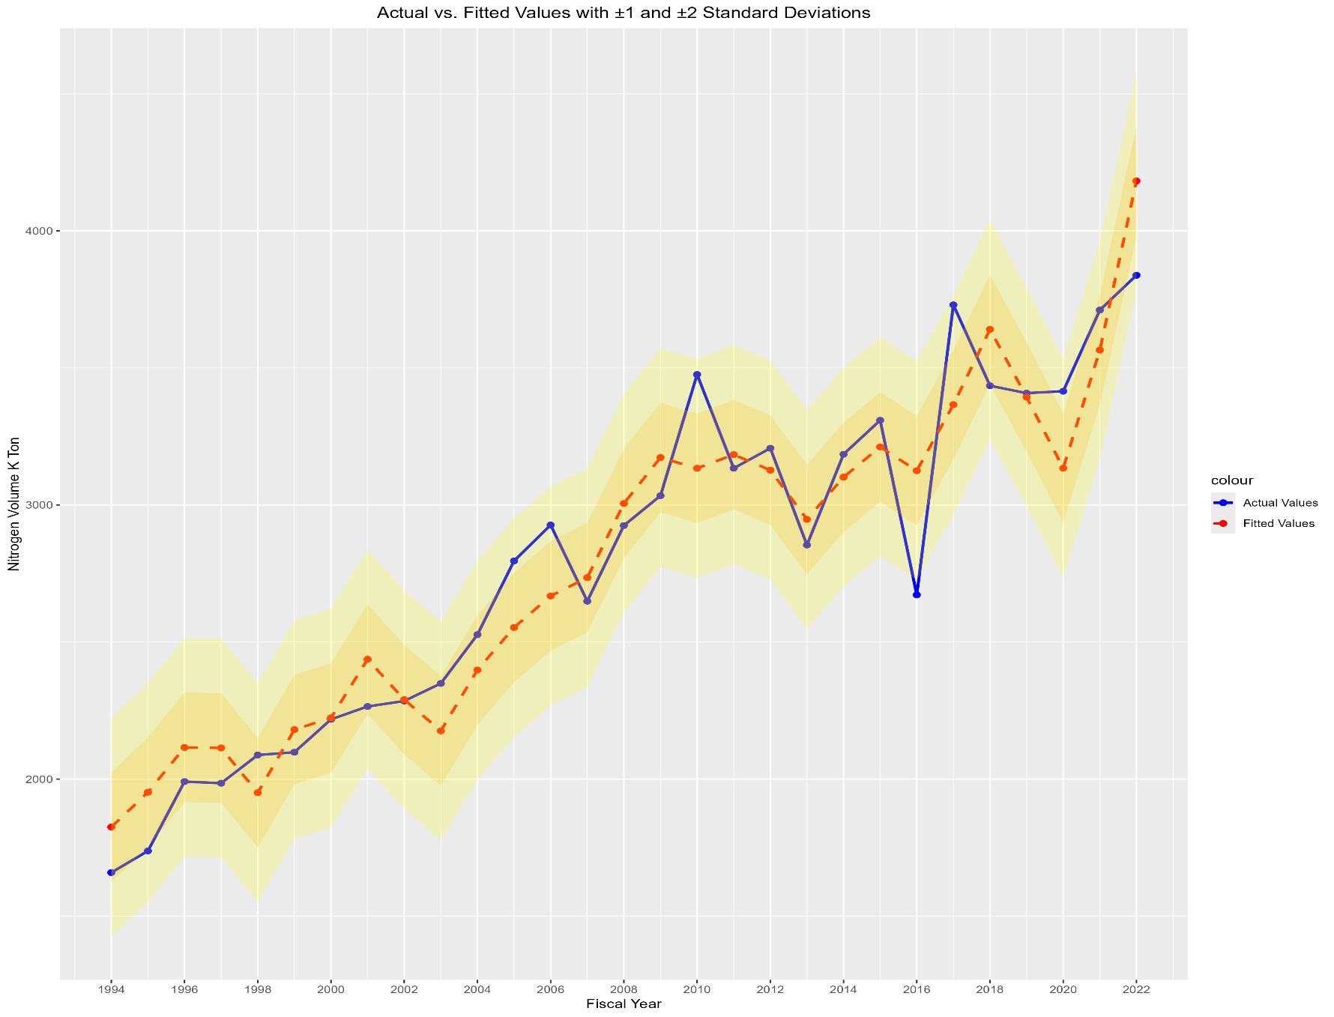
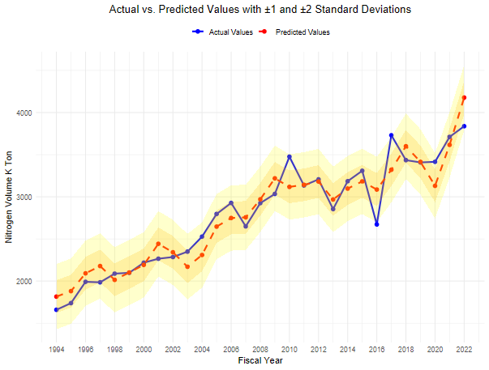

Plot 2.2: Residual QQ Plot |  |  |  |  |  |  | Plot 2.2: Residual QQ Plot
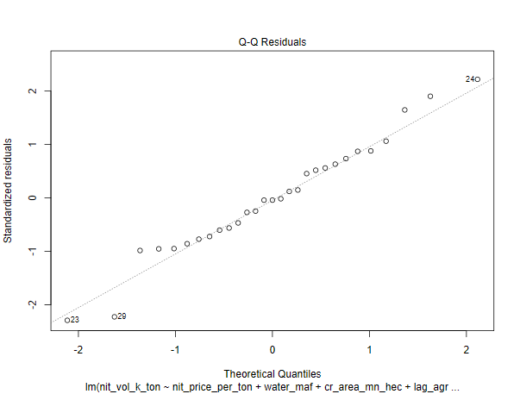
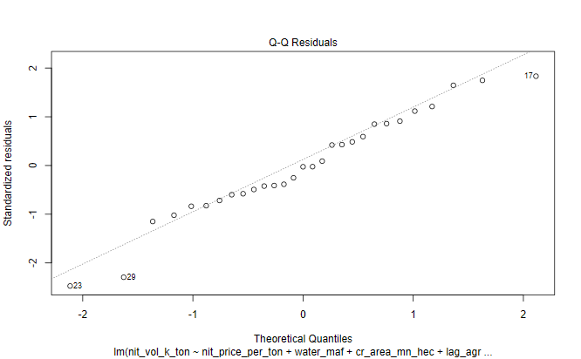

Plot 2.3: Histogram of Residuals |  |  |  |  |  |  | Plot 2.3: Histogram of Residuals

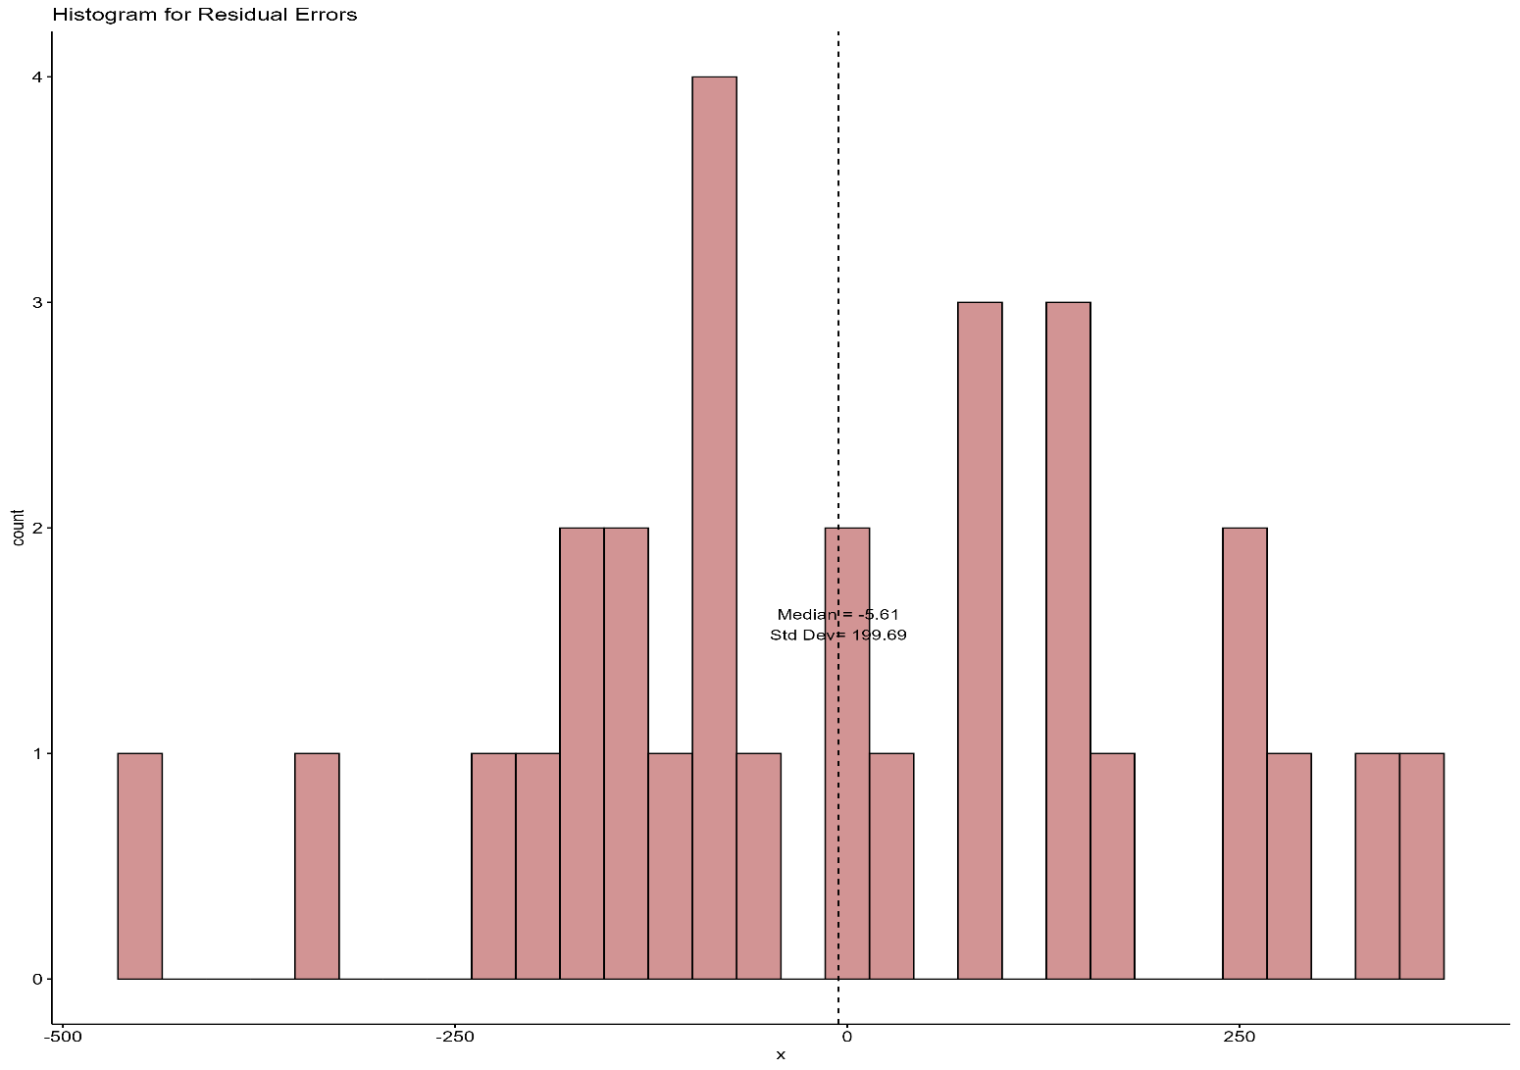
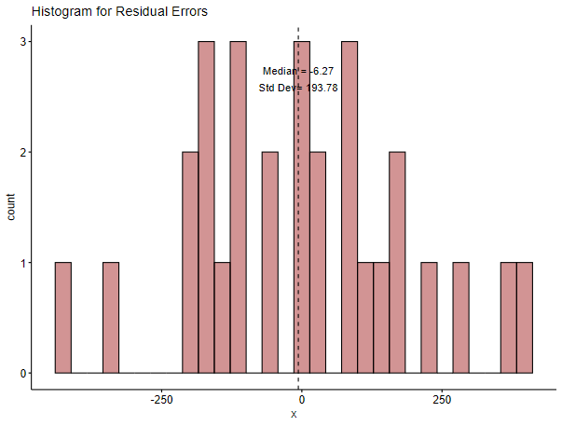

Plot 2.4: ACF Plot of Residuals |  |  |  |  |  |  | Plot 2.4: ACF Plot of Residuals
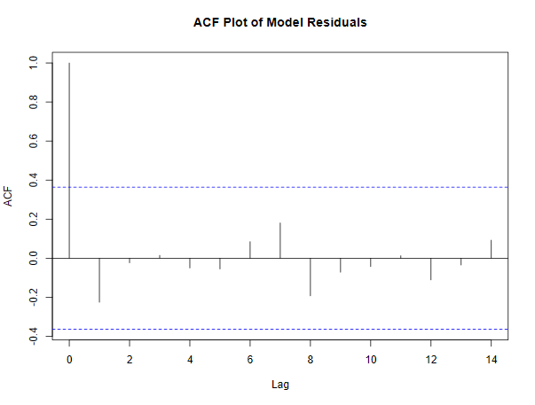
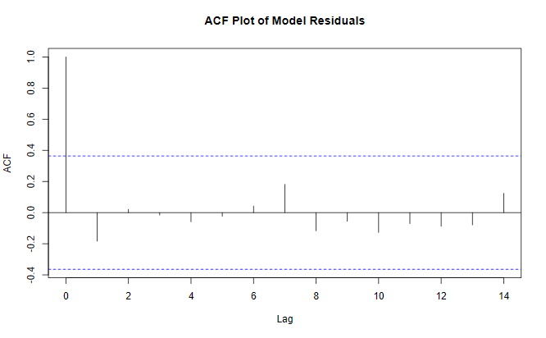

Plot 2.5: Residuals Vs Fitted Values |  |  |  |  |  |  | Plot 2.5: Residuals Vs Fitted Values

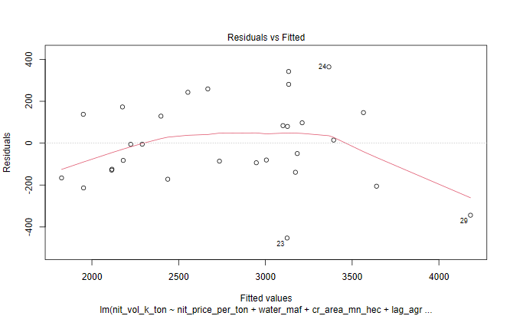
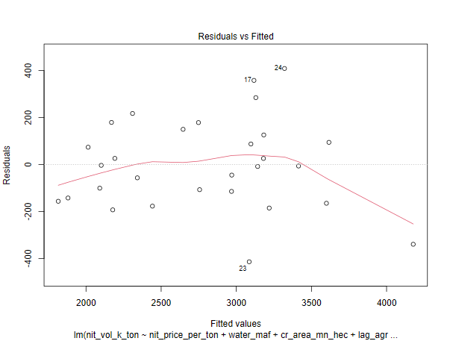

Plot 2.6: Cook's Distance Plot |  |  |  |  |  |  | Plot 2.6: Cook's Distance Plot

third-run
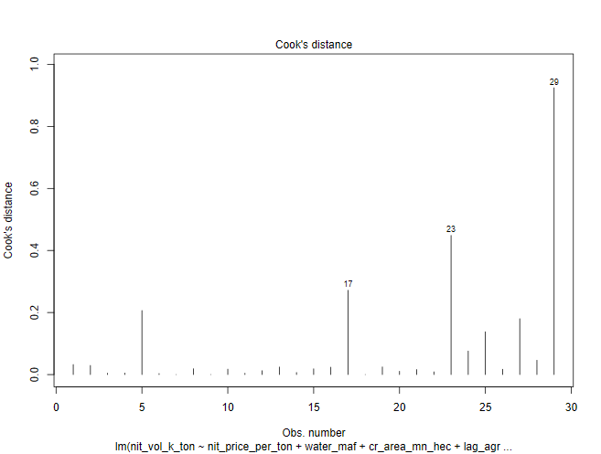
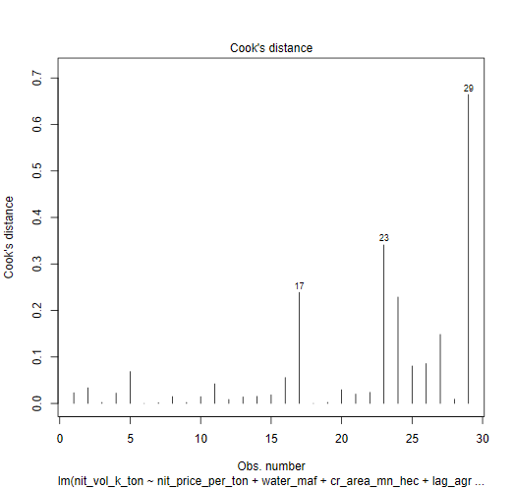
INDEPENDENT LINEAR REGRESSION VARIABLES - PARAMETERS |  |  |  |  |  |  | INDEPENDENT REGRESSION VARIABLES - PARAMETERS
6-VARIABLES |  |  |  |  |  |  | 8-VARIABLES
Table 3.1 |  |  |  |  |  |  |  |  |  |  |  |  |  |  |  |  | 2021-22 data points
 | N Price - X1 | Water - X2 | Cropped Acreage - X3 | Agric GDP - X4 | Agric Credit Ratio - X5 | Labour Prody - X6 |  | N Price - X1 | Water - X2 | Cropped Acreage - X3 | Agric GDP - X4 | Agric Credit Ratio - X5 | Labour Prody - X6 | Input to Output - X7 | N to P Price - X8 |  | N Price - X1 | Water - X2 | Cropped Acreage - X3 | Agric GDP - X4 | Agric Credit Ratio - X5 | Labour Prody - X6 | Input to Output - X7 | N to P Price - X8
 | PKR / MT | MAF | Mn Ha | Bn USD | Ratio-Number | PKR / Ha |  | PKR / MT | MAF | Mn Ha | Bn USD | Mn PKR | PKR / Ha | Ratio | Ratio |  | PKR / MT | MAF | Mn Ha | Bn USD | Ratio-Number | PKR / Ha | Ratio | Ratio
Linear Coeff | -0.013 | 21.60 | 66.68 | 68.46 | 605.78 | 4.91 | Linear Coeff | -0.03 | 9.63 | 66.61 | 63.50 | 1340.71 | 11.15 | -1543.81 | -526.48 |  | 83,173.91 | 131.02 | 24.00 | 34.29 | 0.245 | 253.78 | 1.34 | 0.16
Impact on N volume - KT* | -10.70 | 28.30 | 16.00 | 23.47 | 1.48 | 12.45 | Impact on N volume - KT* | -23.71 | 12.61 | 15.99 | 21.77 | 3.28 | 28.29 | -20.69 | -0.84 | 1% change | 831.74 | 1.31 | 0.24 | 0.34 | 0.0025 | 2.54 | 0.01 | 0.002
Log Linear Elasticity Coeff | -621.90 | -917.80 | 725.80 | 725.80 | 115.50 | 598.30 | Log Linear Elasticity Coeff
Standard Error of Lin Coeff | 0.005 | 12.39 | 95.12 | 22.40 | 1035.91 | 1.76 | Standard Error of Lin Coeff | 0.01 | 15.63 | 104.18 | 24.68 | 1218.33 | 5.28 | 1072.42 | 1116.32
T-stat | -2.67 | 1.74 | 0.70 | 3.06 | 0.59 | 2.79 | T-stat | -2.10 | 0.62 | 0.64 | 2.57 | 1.10 | 2.11 | -1.44 | -0.47
T-Prob | 0.01 | 0.10 | 0.49 | 0.006 | 0.56 | 0.01 | T-Prob | 0.05 | 0.55 | 0.53 | 0.02 | 0.28 | 0.05 | 0.17 | 0.64
Significant/Non Significant | Significant | Significant | Non Significant | Significant | Non Significant | Significant | Significant/Non Significant | Significant | Non Significant | Non Significant | Significant | Non Significant | Significant | Non Significant | Non Significant
Confidence Interval (%) | 99% | 90% |  | 99% |  | 99% | Confidence Interval (%) | 95% |  |  | 95% |  | 95%
F-Ratio | 137.63 | 8.35 | 15.80 | 29.80 | 0.24 | 7.77 | F-Ratio
F-Prob | 0.00 | 0.01 | 0.00 | 0.00 | 0.63 | 0.01 | F-Prob
Significant/Non Significant | Significant | Significant | Significant | Significant | Non Significant | Significant | Significant/Non Significant | Significant | Significant | Significant | Significant | Significant | Significant | Non Significant | Non Significant
Confidence Interval (%) | 99% | 99% | 99% | 99% |  | 99% | Confidence Interval (%)
VIF | 10.60 | 1.62 | 2.28 | 17.30 | 4.69 | 7.42 | VIF | 85.55 | 2.61 | 2.76 | 21.20 | 6.55 | 67.48 | 16.27 | 4.54
Median | 25260.9 | 133.8 | 23.0 | 16.6 | 0.15 | 45.8 | Median | 25260.87 | 133.78 | 23.01 | 16.65 | 16.6 | 45.75 | 0.97 | 0.38
Standard Deviation (SD) | 28627.4 | 4.3 | 0.7 | 7.9 | 0.09 | 65.5 | Standard Deviation (SD) | 28627.37 | 4.35 | 0.67 | 7.85 | 7.9 | 65.45 | 0.16 | 0.08

Note * | 1% change in 2021-2022 datapoint for all variables in their respective units |  |  |  |  |  | Note * | 1% change in 2021-2022 datapoint for all variables in their respective units

Sample Size | 29 Years |  |  | Conclusion |  |  | Sample Size | 29 Years |  |  | Conclusion
R2 of Function | 0.90 |  |  | Model explains 90% of variance in Nit KT consumption |  |  | R2 of Function | 0.91 |  |  | Model explains 91% of variance in Nit KT consumption
F ratio of Function | F=33.26, p=0.0000000005955 |  |  | At least one of the indp variables has a statistically significant effect on the Nit consumption |  |  | F ratio of Function | F=25.48 , p=0.000000007183 |  |  | At least one of the indp variables has a statistically significant effect on the Nit consumption
Residual Median | -22.15 |  |  | On average, the model is over-predicting the actual values |  |  | Residual Median | -5.32 |  |  | On average, the model is over-predicting the actual values
Residual Standard Dev | 198.45 |  |  |  |  |  | Residual Standard Dev | 188.25
DW Watson Test | Autocorrelation | Statistic | P-value |  |  |  | DW Watson Test | Autocorrelation | Statistic | P-value
 | -0.20 | 2.29 | 0.92 | Weak Negative AC |  |  |  | -0.26 | 2.41 | 0.92 | Weak Negative AC
White Test |  | 2.22 | 0.33 | Errors are homoscedastic |  |  | White Test |  | 2.41 | 0.30 | Errors are homoscedastic
Shapiro Test |  | 0.98 | 0.85 | Errors distributed normally |  |  | Shapiro Test |  | 0.97 | 0.44 | Errors distributed normally

INDEPENDENT REGRESSION LIN LOG VARIABLES - PARAMETERS |  |  |  |  |  |  | INDEPENDENT REGRESSION LIN LOG VARIABLES - PARAMETERS
6-VARIABLES |  |  |  |  |  |  | 8-VARIABLES

 | N Price - X1 | Water - X2 | Cropped Acreage - X3 | Agric GDP - X4 | Agric Credit - X5 | Labour Prody - X6 |  | N Price - X1 | Water - X2 | Cropped Acreage - X3 | Agric GDP - X4 | Agric Credit - X5 | Labour Prody - X6 | Input to Output - X7 | N to P Price - X8
 | PKR / MT | MAF | Mn Ha | Bn USD | Mn PKR | PKR / Ha |  | PKR / MT | MAF | Mn Ha | Bn USD | Mn PKR | PKR / Ha | Ratio | Ratio
Lin Log Elasticity Coeff | -621.90 | -917.80 | 725.80 | 725.80 | 115.50 | 598.30 | Lin Log Elasticity Coeff | -380.94 | -390.61 | -54.61 | 680.46 | 137.01 | 444.08 | 248.90 | -126.56
T-stat | -2.93 | -0.70 | 0.39 | 1.70 | 0.72 | 3.80 | T-stat | -1.02 | -0.20 | 0.03 | 1.52 | 0.73 | 1.79 | 0.50 | -0.51
T-Prob | 0.01 | 0.49 | 0.70 | 0.10 | 0.48 | 0.0010 | T-Prob | 0.32 | 0.84 | 0.98 | 0.15 | 0.47 | 0.09 | 0.62 | 0.62
Significant/Non Significant | Significant | Non Significant | Non Significant | Significant | Non Significant | Significant | Significant/Non Significant | Non Significant | Non Significant | Non Significant | Non Significant | Non Significant | Significant | Non Significant | Non Significant
Confidence Interval (%) | 99% |  |  | 90% |  | 99% | Confidence Interval (%) |  |  |  |  |  | 10%
F-Ratio | 237.43 | 2.33 | 9.85 | 24.99 | 0.92 | 14.46 | F-Ratio | 225.54 | 2.21 | 9.33 | 23.74 | 0.87 | 13.73 | 0.64 | 0.26
F-Prob | 2.856E-13 | 0.14 | 0.0048 | 5.29E-05 | 0.3483 | 0.001 | F-Prob | 2.354E-12 | 0.15 | 0.01 | 9.23E-05 | 0.36 | 0.00 | 0.43 | 0.62
Significant/Non Significant | Significant | Non Significant | Significant | Significant | Non Significant | Significant | Significant/Non Significant | Significant | Non Significant | Significant | Significant | Non Significant | Significant | Non Significant | Non Significant
Confidence Interval (%) | 99% |  | 99% | 99% |  | 99% | Confidence Interval (%) | 99% |  | 99% | 99% |  | 99%

R2 of Function | 0.93 |  |  |  |  |  | R2 of Function | 0.93

INDEPENDENT REGRESSION LOG LOG VARIABLES - PARAMETERS |  |  |  |  |  |  | INDEPENDENT REGRESSION LOG LOG VARIABLES - PARAMETERS
6-VARIABLES |  |  |  |  |  |  | 8-VARIABLES

 | N Price - X1 | Water - X2 | Cropped Acreage - X3 | Agric GDP - X4 | Agric Credit - X5 | Labour Prody - X6 |  | N Price - X1 | Water - X2 | Cropped Acreage - X3 | Agric GDP - X4 | Agric Credit - X5 | Labour Prody - X6 | Input to Output - X7 | N to P Price - X8
 | PKR / MT | MAF | Mn Ha | Bn USD | Mn PKR | PKR / Ha |  | PKR / MT | MAF | Mn Ha | Bn USD | Mn PKR | PKR / Ha | Ratio | Ratio
Log Log Elasticity Coeff | -0.22 | 0.12 | 0.44 | 0.28 | 0.03 | 0.22 | Lin Log Elasticity Coeff | -0.24 | -0.04 | 0.40 | 0.27 | 0.04 | 0.23 | -0.05 | -0.03
T-stat | -2.94 | 0.25 | 0.66 | 1.84 | 0.51 | 3.86 | T-stat | -1.79 | -0.06 | 0.52 | 1.64 | 0.59 | 2.53 | -0.29 | -0.29
T-Prob | 0.01 | 0.81 | 0.52 | 0.08 | 0.61 | 0.00 | T-Prob | 0.09 | 0.95 | 0.61 | 0.12 | 0.56 | 0.02 | 0.78 | 0.77
Significant/Non Significant | Significant | Non Significant | Non Significant | Significant | Non Significant | Significant | Significant/Non Significant | Significant | Non Significant | Non Significant | Non Significant | Non Significant | Significant | Non Significant | Non Significant
Confidence Interval (%) | 99% |  |  | 90% |  | 99% | Confidence Interval (%) | 90% |  |  |  |  | 95%
F-Ratio | 270.22 | 7.87 | 11.51 | 26.26 | 0.57 | 14.90 | F-Ratio | 247.09 | 7.20 | 10.52 | 24.01 | 0.52 | 13.63 | 0.03 | 0.09
F-Prob | 7.677E-14 | 0.01 | 0.0026 | 3.90E-05 | 0.4578 | 0.001 | F-Prob | 1.011E-12 | 0.01 | 0.00 | 8.65E-05 | 0.48 | 0.00 | 0.86 | 0.77
Significant/Non Significant | Significant | Significant | Significant | Significant | Non Significant | Significant | Significant/Non Significant | Significant | Significant | Significant | Significant | Non Significant | Significant | Non Significant | Non Significant
Confidence Interval (%) | 99% | 99% | 99% | 99% |  | 99% | Confidence Interval (%) | 99% | 99% | 99% | 99% |  | 99%

R2 of Function | 0.94 |  |  |  |  |  | R2 of Function | 0.94

INDEPENDENT LINEAR REGRESSION MODEL DIAGONISTICS |  |  |  |  |  |  | INDEPENDENT LINEAR REGRESSION MODEL DIAGONISTICS

Plot 2.1: Actual Vs Fitted Values |  |  |  |  |  |  | Plot 2.1: Actual Vs Fitted Values

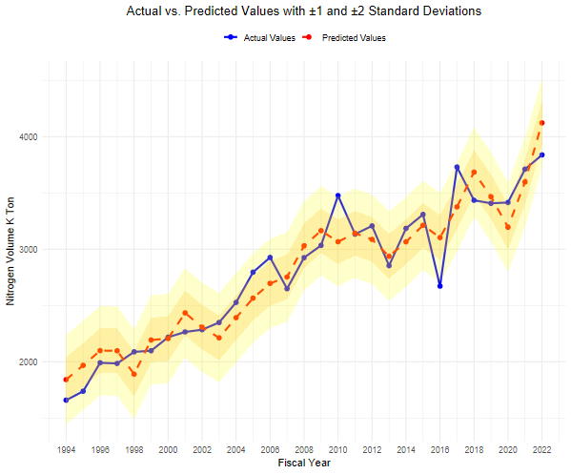
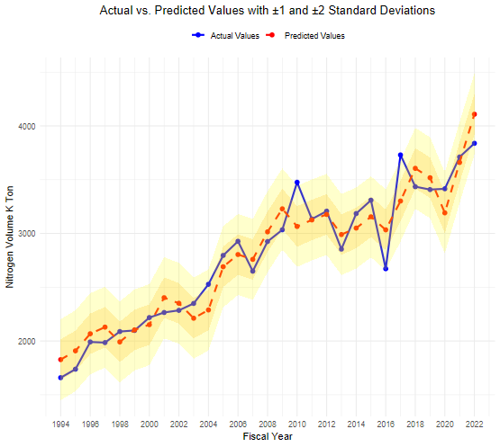

Plot 2.2: Residual QQ Plot |  |  |  |  |  |  | Plot 2.2: Residual QQ Plot
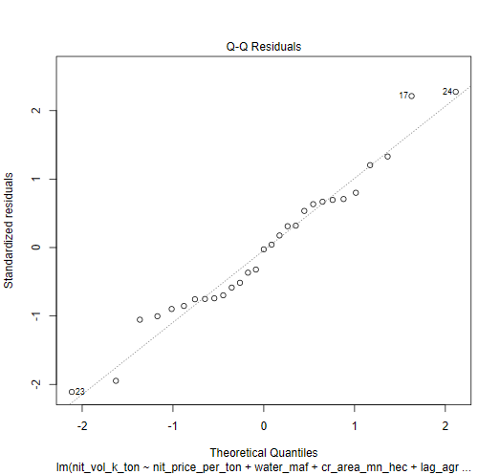
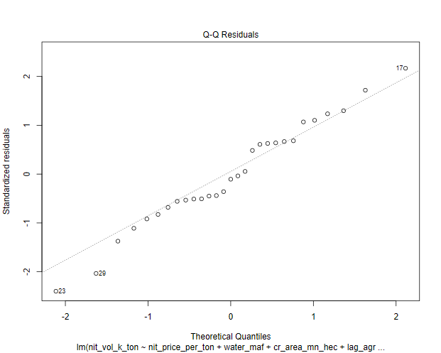

Plot 2.3: Histogram of Residuals |  |  |  |  |  |  | Plot 2.3: Histogram of Residuals

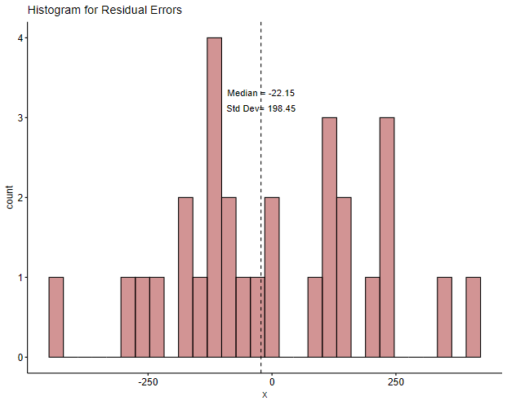
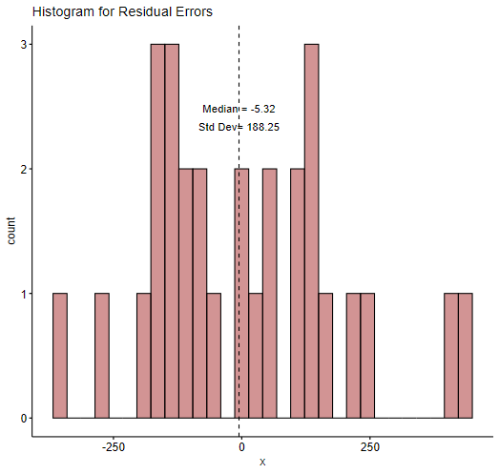

Plot 2.4: ACF Plot of Residuals |  |  |  |  |  |  | Plot 2.4: ACF Plot of Residuals
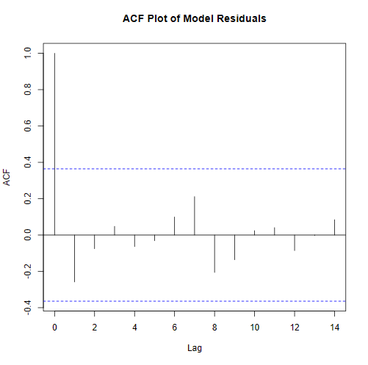
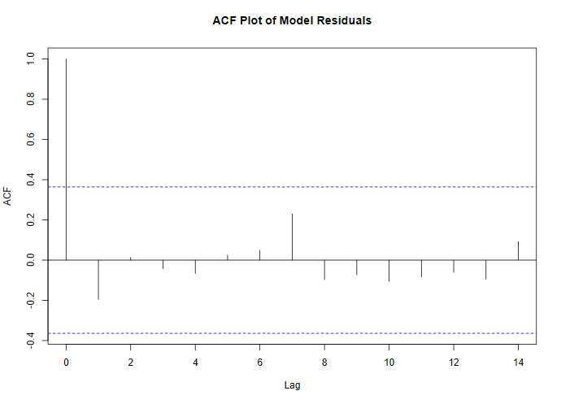

Plot 2.5: Residuals Vs Fitted Values |  |  |  |  |  |  | Plot 2.5: Residuals Vs Fitted Values
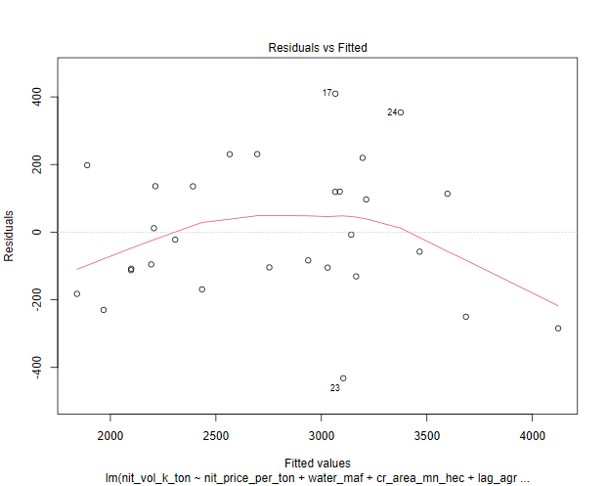
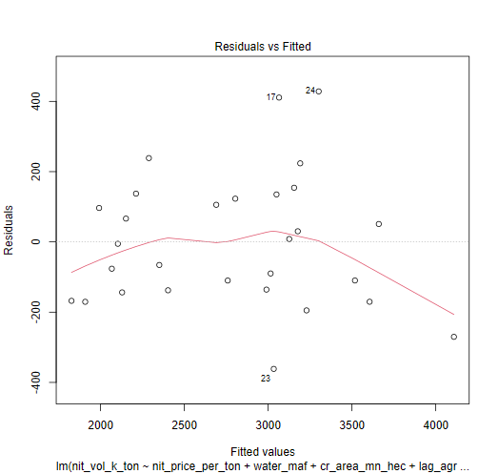

Plot 2.6: Cook's Distance Plot |  |  |  |  |  |  | Plot 2.6: Cook's Distance Plot

